Overview
Oracle HCM Cloud


Oracle Cloud Garage

Test Scripts : Global HR, ESS, MSS

Customer Details
Customer Name | :
Customer Country | :
Customer Industry | :
HCM Cloud Release Version | : | Release 13 Update 20 B
Creation Date | :
Last Update Date | : | 2020-07-20
Document Created By | :
Version 2.0
(C) Copyright 2017 IBM Oracle Incubation Center

PER_TE.039_Screenshot
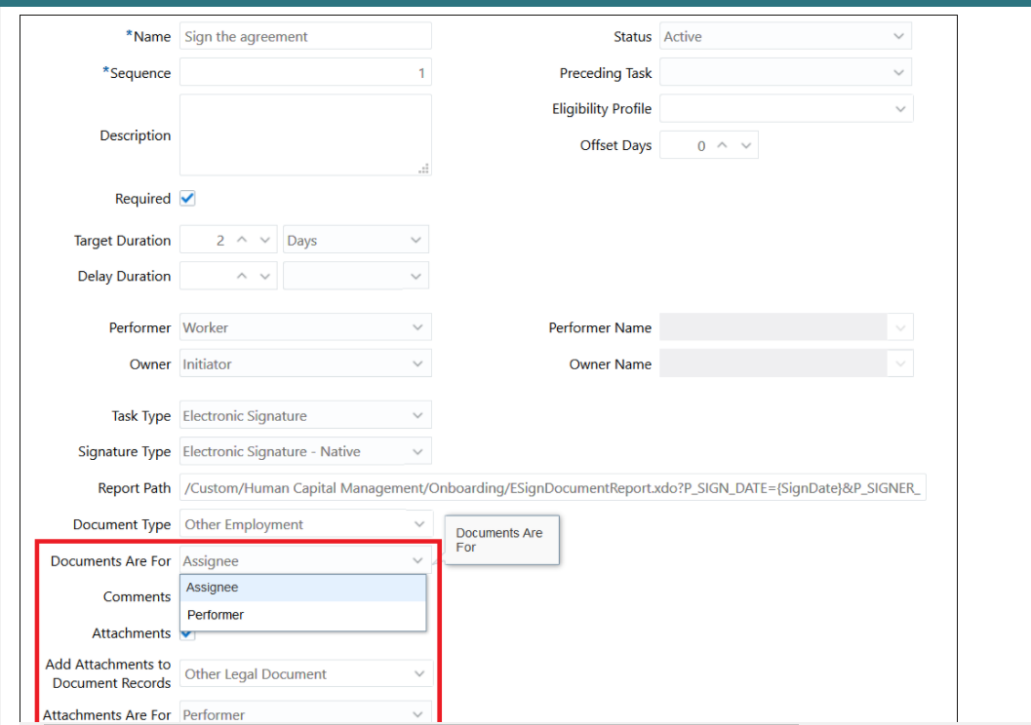
Steps to enable it: | Screenshot in front end: Create checklist template

PER_TE.105_Screenshot
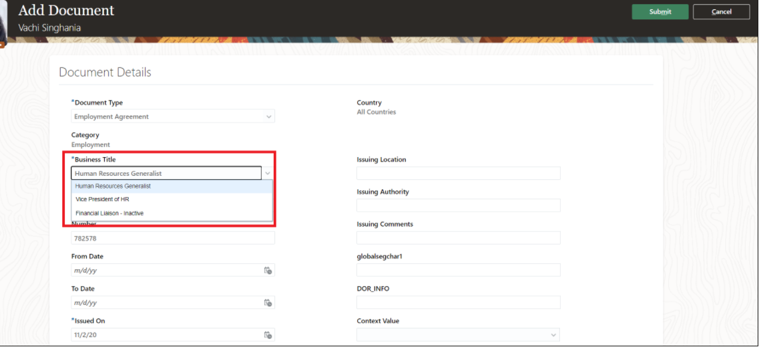
How to enable it:

Add Document: In front end

